Cover Page
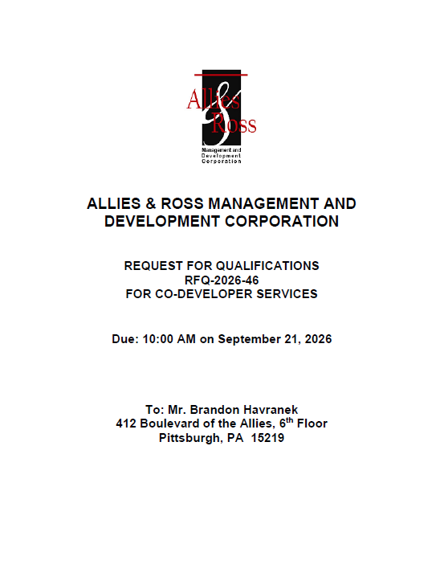
Attachment C: Co-Developer RFQ Workbook

Attachment C: Co-Developer RFQ Workbook

